CD-LINKS scenario protocol

WP2.1 Review of national action plans and development policies, including their influence on GHG emissions and development objectives
as input to the
CD-LINKS WP3 Global low-carbon development pathways
Protocol second round – July 2018
http://www.cd-links.org/wp-content/uploads/2016/06/CD-LINKS-global-exercise-protocol_secondround_for-website.pdf

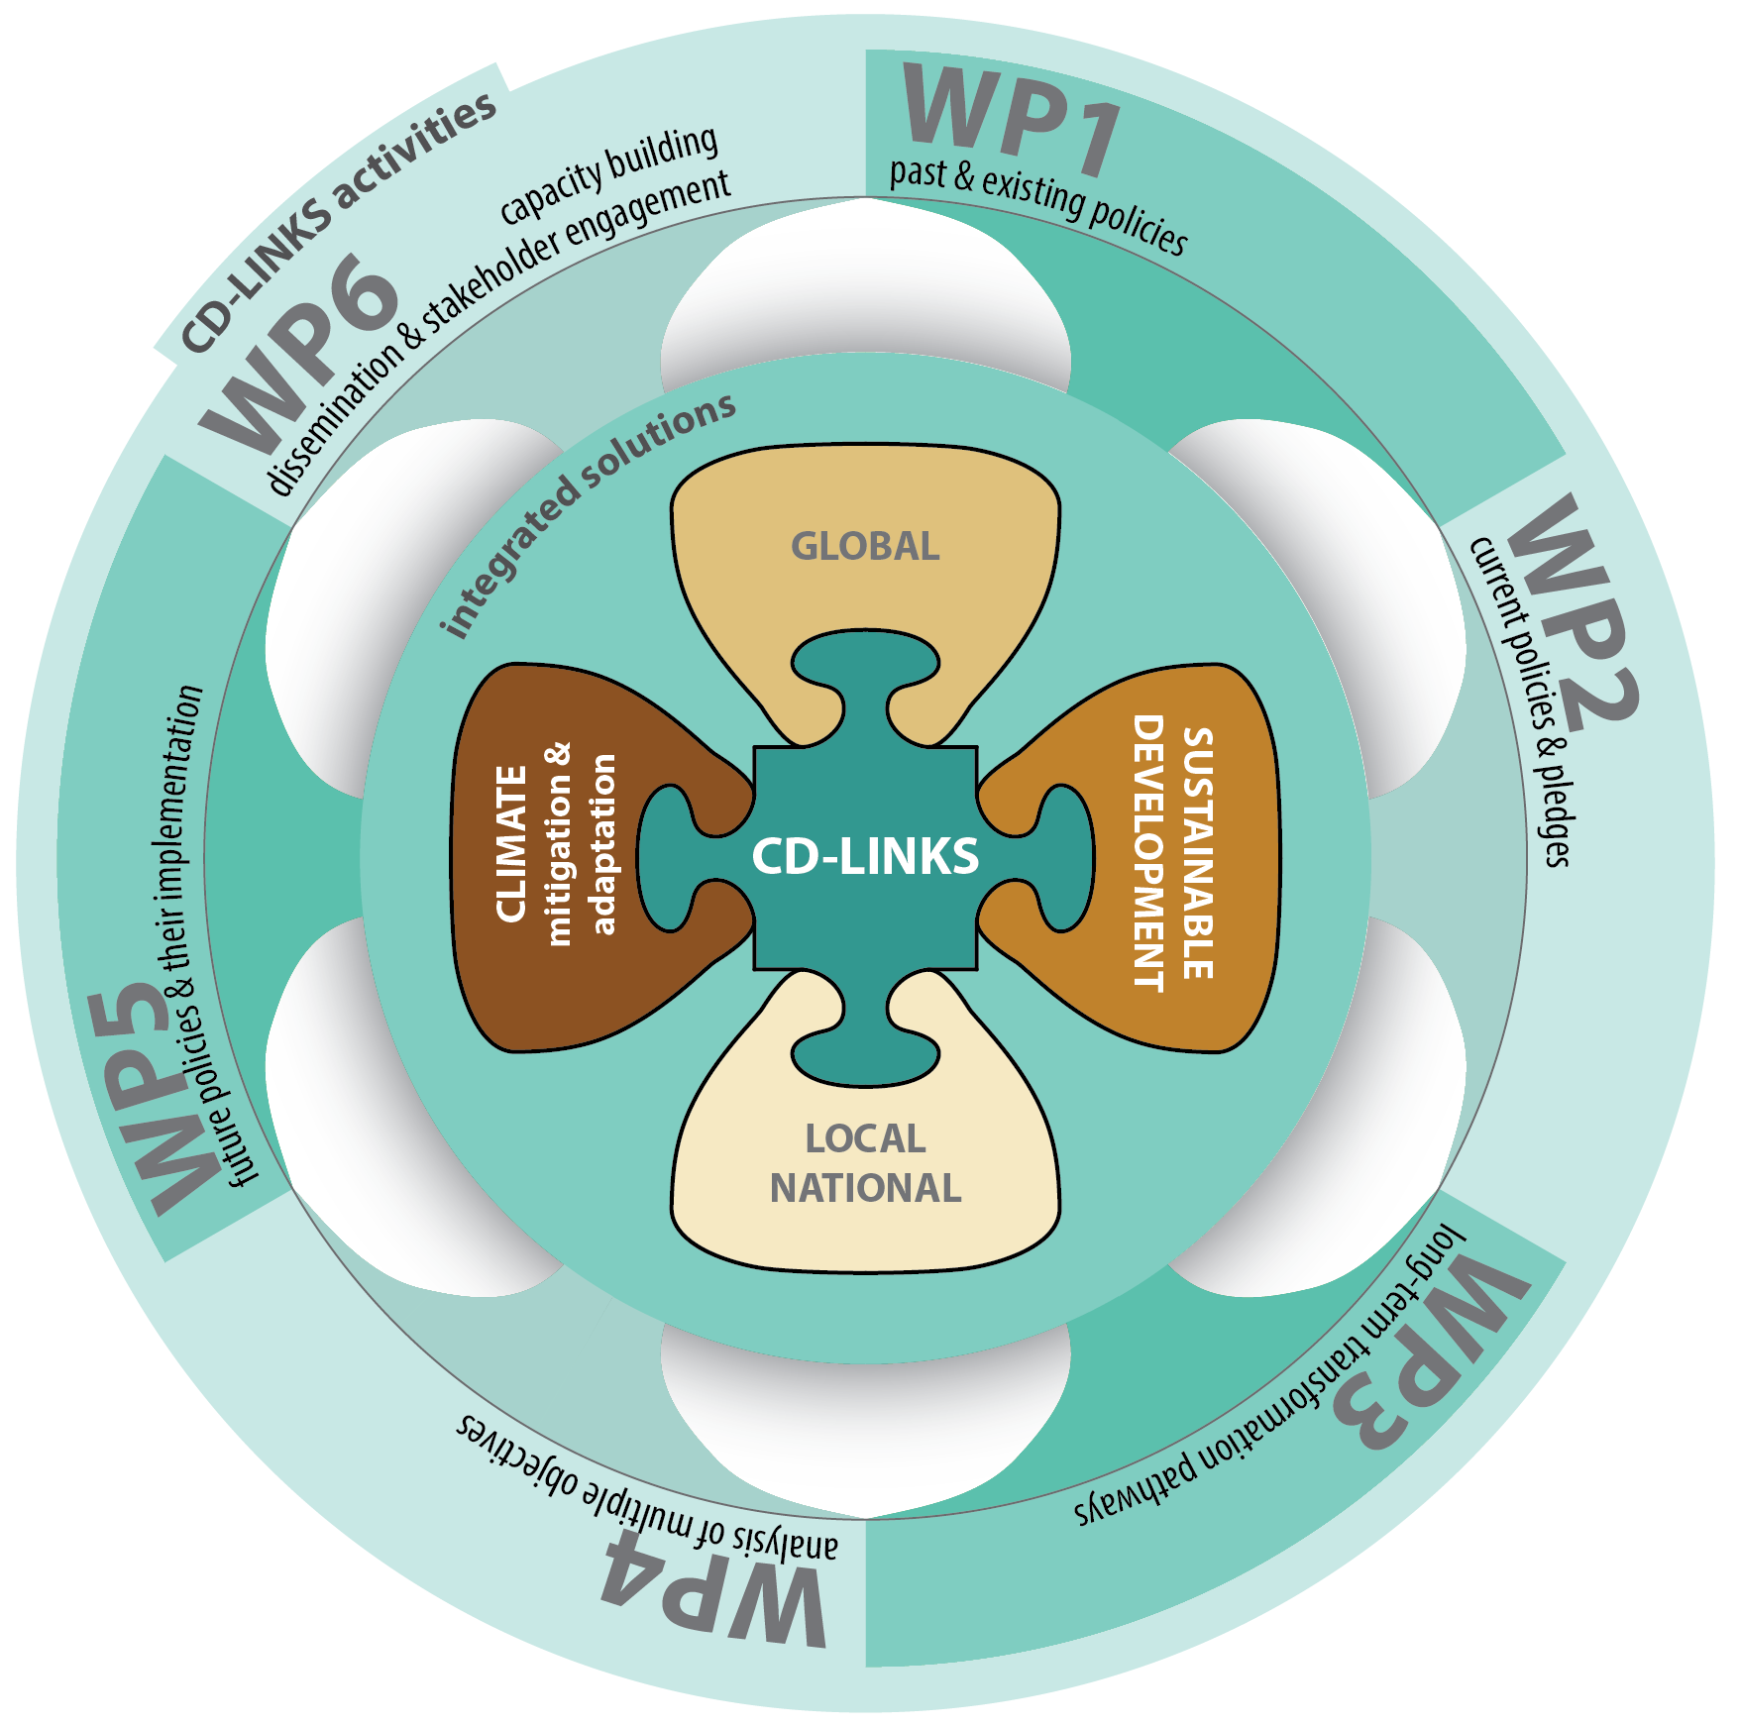
This file contains
- List of high impact policies and translation to targets and indicators for IAM implementation
- List of NDC targets

LULUCF Indonesia
 |  |  |  |  |  |  |  |  | BUR
 |  |  |  |  |  |  |  |  | 2012
BAPPENAS (Government of Indonesia, 2015) | Sektor | 2010 | 2015 | 2020 | 2030 | 2045 |  | IPUU | 41.063
http://apki.net/wp-content/uploads/2015/07/Presentasi-NDC-BAPPENAS-di-KLHK.pptx | IPPU | 37.749 | 37.717 | 47.876 | 78.205 | 130.658 |  | Energy | 508.12
 | Energy | 414.786 | 560.282 | 806.081 | 1438.629 | 1712.274 |  | Waste | 97.117
 | Waste | 108.156 | 133.432 | 182.027 | 284.886 | 491.897 |  | Agriculture | 116.189
 | Afolu (no peat) | 339.804 | 367.13 | 379.803 | 436.171 | 625.235 |  | LULUCF (incl peat fire) | 694.978
 | Peat Decomposition | 245.411 | 249.546 | 251.093 | 254.047 | 257.23
 | Peat Fire | 314.467 | 288.445 | 137.171 | 385.709 | 266.998
 | Total Emisi (tanpa peat fire) | 1.145.906 | 1348.107 | 1666.88 | 2491.938 | 3.217.294
 | Total Emisi (termasuk peat fire | 1460.373 | 1636.552 | 1804.051 | 2877.647 | 3.484.292
 |  |  |  |  |  |  |  | Total | 1,457
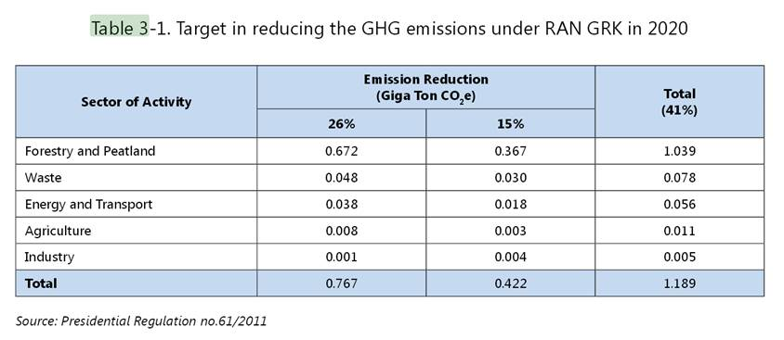
BUR Indonesia
http://unfccc.int/resource/docs/natc/idnbur1.pdf |  |  |  |  | 2020
 |  |  |  | National (Indonesia) | BAU | Reductions |  | Pledge |  | Pledge-%
 |  |  |  | LULUCF | 1650 | 672 | 1039 | 978 | 611 | -41% | -63%
 |  |  |  | Agriculture | 50 | 8 | 3 | 42 | 47 | -16% | -6%
 |  |  |  | Energy/industry/transport/buildings | 1250 | 87 | 139 | 1163 | 1111 | -7% | -11%
 |  |  |  | TOTAL | 2950 | 767 | 1181 | 2183 | 1769 | -26% | -40%

 |  |  |  | AFOLU | 1700 | 680 | 1042 | 1020 | 658 | -40% | -61%

 |  |  | 2030
Den Elzen et al (2015) | DG CLIMA project (2015) | LULUCF (excl peat fires) | 877 | Historical land-use emissions include those from peat oxidation caused by deforestation
Den Elzen et al (2016) | NDC report | LULUCF (excl peat fires) | 672 | These projections do not take into account emissions from peat fires
Used for CD-LINKS |  | Total LULUCF | 439

NDC split up | 2030 | BAU | BUR reductions | Table 3-1 | NDC
(based on reduction from BUR and BAPPENAS BAU projection) |  |  | -29% | -41% | -29% | -41%
(Assumption: agriculture remains constant from 2012) | (MtCO2eq) | 2030 | 2030 | 2030 | 2030 | 2030
(Assumption: 80% of additional reduction necassary to go from -29% to -41% come from LULUCF) | energy/industry/waste | 1,802 | -416 | -652 | 1,386 | 1,150 |  | -23% | -36%
 | Agriculture | 116 | -19 | -7 | 98 | 109 |  | -16% | -6%
 | LULUCF (incl peat fires) | 960 | -400 | -521 | 560 | 439 |  | -42% | -54%
 | Total GHG (incl LULUCF) | 2,878 | -835 | -1,180 | 2,043 | 1,698 |  | -29% | -41%
 | Total GHG (excl LULUCF) | 1,918 | -435 | -659 | 1,483 | 1,259 |  | -23% | -34%

 | BAU | 2010 | 2020 | 2030
 | Total | 1,460 | 1,804 | 2,878
 | LULUCF | 783 | 611 | 439
 | Total excl LULUCF | 677 | 1,193 | 1,918

